AIO
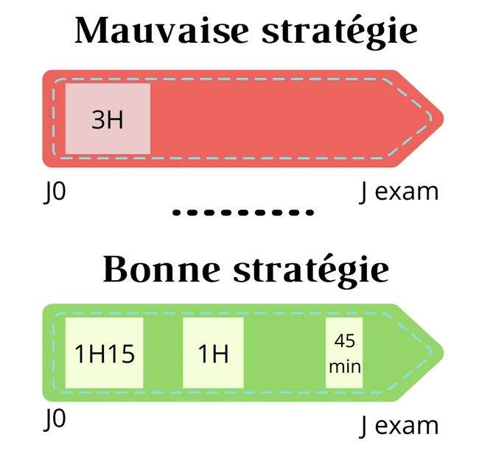
Today: | Monday, June 08, 2026 |  |  |  |  | Day's left | 0 days available |  | exam date | 2026-05-12
 |  |  |  |  |  |  |  |  |  |  |  |  | 89
🔥 DUE TODAY |  | 📆 TOMORROW |  |  | 📈 THIS WEEK |  | ⏱️ TIME TODAY
10 |  | 0 |  |  | 0 |  | 5 hrs |  | 🚨 early bird (How much a lesson is old)
lesson/week
 |  |  |  |  |  |  |  |  | Severity | Count | Days | Action
📚 TOP SUBJECTS |  |  |  |  |  |  |  |  | 🟠 High | 0 | 5-9 days | Priority
Module | Subject | Total | started | % |  |  |  |  | 🟡 Medium | 1 | 2-4 days | Soon
Traumato | Tramatologie | 0 | 0 | #DIV/0! |  |  |  |  | 🟢 Today | 0 | 0 days | Study Now
 | Rhumatologie | 0 | 0 | #DIV/0!
 | MPR | 0 | 0 | #DIV/0! |  |  |  |  | 🎓 MASTERY DISTRIBUTION
Anapath | Anatomopathologie | 0 | 0 | #DIV/0! |  |  |  |  | Level | Count | % | Status
Med interne | Maladies de système | 0 | 0 | #DIV/0! |  |  |  |  | 0-2 (Weak) | 91 | 99% | 🔴 you learnt something please try again
 | Génétique | 0 | 0 | #DIV/0! |  |  |  |  | 3-4 (Learning) | 0 | 0% | 🟡 Developing
 | Immuno | 0 | 0 | #DIV/0! |  |  |  |  | 5-6 (Strong) | 0 | 0% | 🟢 Good
 | TOTAUX | 0 | 0 | #DIV/0! |  |  |  |  | 7 (Mastered) | 0 | 0% | ✅ Excellent
Total and started

 |  |  |  |  |  | 📅 7-DAY WORKLOAD
 |  |  |  |  |  | Day | Lessons | Load
 |  |  |  |  | Today | Mon 06/08 | 0 | 🟢 Light
 |  |  |  |  | Tomorrow | Tue 06/09 | 0 | 🟢 Light
 |  |  |  |  | J+2 | Wed 06/10 | 0 | 🟢 Light
 |  |  |  |  | J+3 | Thu 06/11 | 0 | 🟢 Light
 |  |  |  |  | J+4 | Fri 06/12 | 0 | 🟢 Light
 |  |  |  |  | J+5 | Sat 06/13 | 0 | 🟢 Light
 |  |  |  |  | J+6 | Sun 06/14 | 0 | 🟢 Light
 |  |  |  |  | J+7 | Mon 06/15 | 0 | 🟢 Light

⚡ QUICK ACTIONS
→ Go to "lesson-database" sheet to study & update
→ Filter by Status: "⚡ STUDY NOW" to see due lessons
→ After studying: Update Last Review (Ctrl+;) & Mastery level
→ Calendar syncs automatically every hour

📊 TODAY'S PROGRESS
Completed: | 0 |  | Remaining: |  | 10 |  | Progress: | 0%
Progress Bar:

started

VISUALS
started
lesson/week
Mastery

Total and started

